GFSR Chapter Apr. 2020
 | 2020-04-01

International Monetary Fund
Global Financial Stability Report
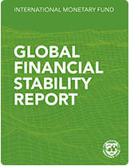

April 2020

Chapter 5. Climate Change: Physical Risk and Equity Prices

This datafile includes the figures and underlying data from the Chapter 5 of the April 2020 Global Financial Stability Report. When using the data, please refer to the
IMF, Global Financial Stability Report, April 2020

Disclaimer: Should there be any discrepancies with the print version, the latter represents the official version.

Figure 5.1.
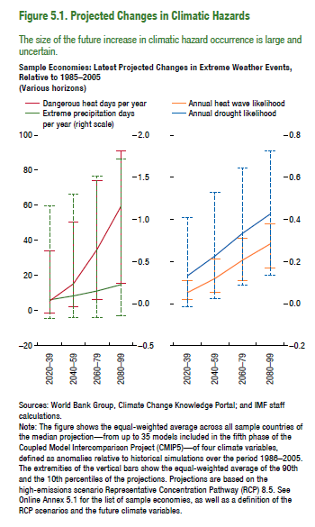
Figure 5.1. Projected Changes in Climatic Hazards
Sample Economies: Latest Projected Changes in Extreme Weather Events, Relative to 1985–2005
(Various horizons)
 | Dangerous heat days per year | Extreme precipitation days per year
2020–39 | 5.49 | 0.04
2040–59 | 15.28 | 0.09
2060–79 | 34.95 | 0.15
2080–99 | 59.39 | 0.22

 | Annual heat wave likelihood | Annual drought likelihood
2020–39 | 0.05 | 0.13
2040–59 | 0.12 | 0.23
2060–79 | 0.21 | 0.33
2080–99 | 0.28 | 0.43

Figure 5.2.
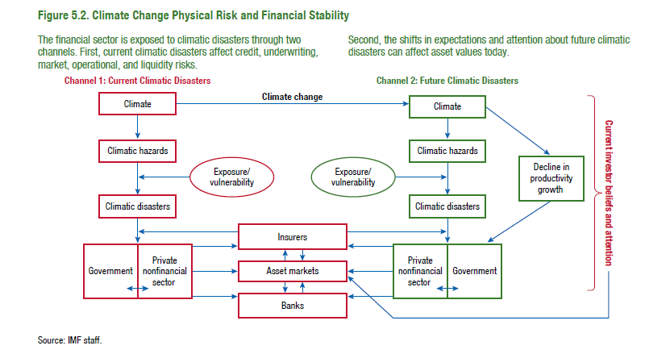
Figure 5.2. Climate Change Physical Risk and Financial Stability

Figure 5.3.
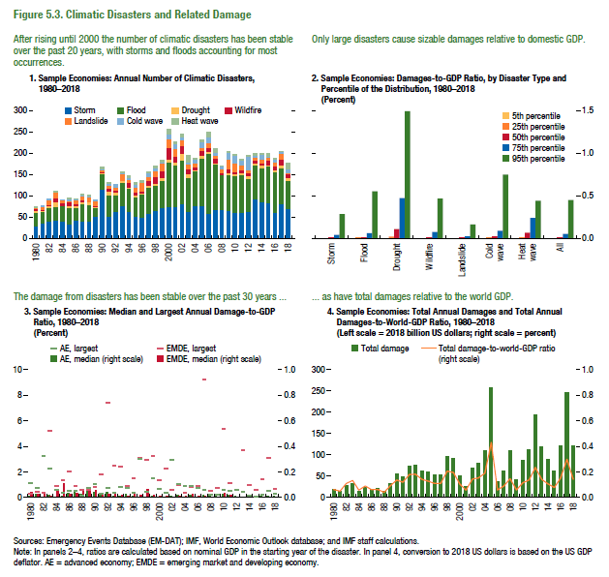
Figure 5.3. Climatic Disasters and Related Damage

1. Sample Economies: Annual Number of Climatic Disasters, 1980–2018 |  |  |  |  |  |  |  | 2. Sample Economies: Damages-to-GDP Ratio, by Disaster Type and Percentile of the Distribution, 1980–2018 |  |  |  |  |  |  |  |  | 3. Sample Economies: Median and Largest Annual Damage-to-GDP Ratio, 1980–2018 |  |  |  |  | 4. Sample Economies: Total Annual Damages and Total Annual Damages-to-World-GDP Ratio, 1980–2018
 | Storm | Flood | Drought | Wildfire | Landslide | Cold wave | Heat wave | (Percent) |  |  |  |  |  |  |  |  | (Percent) |  |  |  |  | (Left scale = 2018 billion US dollars; right scale = percent)
1980 | 29 | 32 | 4 | 4 | 3 | 1 | 2 |  | Storm | Flood | Drought | Wildfire | Landslide | Cold wave | Heatwave | All |  | AE, median | AE, largest | EMDE, median | EMDE, largest |  | Total damage | Damage as percent of the world GDP
1981 | 35 | 27 | 3 | 3 | 7 | 1 | 0 | 5th percentile | 0.0001 | 0.0002 | 0.0016 | 0.0000 | 0.0001 | 0.0002 | 0.0004 | 0.0001 | 1980 | 0.012 | 1.087 | 0.040 | 0.284 | 1980 | 18.63 | 0.06
1982 | 41 | 31 | 4 | 3 | 12 | 2 | 0 | 25th percentile | 0.0017 | 0.0023 | 0.0227 | 0.0013 | 0.0012 | 0.0051 | 0.0104 | 0.0020 | 1981 | 0.023 | 0.715 | 0.025 | 0.413 | 1981 | 13.64 | 0.05
1983 | 43 | 31 | 13 | 8 | 13 | 0 | 2 | 50th percentile | 0.0084 | 0.0122 | 0.1090 | 0.0092 | 0.0045 | 0.0143 | 0.0660 | 0.0107 | 1982 | 0.006 | 3.214 | 0.039 | 0.344 | 1982 | 27.44 | 0.11
1984 | 41 | 35 | 2 | 6 | 6 | 1 | 0 | 75th percentile | 0.0394 | 0.0603 | 0.4713 | 0.0750 | 0.0154 | 0.0905 | 0.2386 | 0.0543 | 1983 | 0.017 | 2.262 | 0.010 | 5.242 | 1983 | 33.39 | 0.13
1985 | 34 | 39 | 3 | 10 | 3 | 4 | 2 | 95th percentile | 0.2855 | 0.5515 | 1.4945 | 0.4667 | 0.1618 | 0.7478 | 0.4409 | 0.4515 | 1984 | 0.006 | 0.582 | 0.053 | 0.926 | 1984 | 14.46 | 0.06
1986 | 43 | 30 | 4 | 5 | 9 | 1 | 1 |  |  |  |  |  |  |  |  |  | 1985 | 0.007 | 0.349 | 0.112 | 1.360 | 1985 | 22.75 | 0.09
1987 | 40 | 41 | 5 | 5 | 9 | 2 | 3 |  |  |  |  |  |  |  |  |  | 1986 | 0.032 | 0.518 | 0.028 | 2.025 | 1986 | 18.19 | 0.06
1988 | 40 | 39 | 7 | 0 | 12 | 2 | 3 |  |  |  |  |  |  |  |  |  | 1987 | 0.051 | 0.533 | 0.036 | 0.864 | 1987 | 20.88 | 0.06
1989 | 51 | 22 | 2 | 3 | 10 | 3 | 0 |  |  |  |  |  |  |  |  |  | 1988 | 0.025 | 0.159 | 0.062 | 0.572 | 1988 | 14.48 | 0.04
1990 | 115 | 37 | 2 | 3 | 3 | 4 | 4 |  |  |  |  |  |  |  |  |  | 1989 | 0.050 | 0.740 | 0.081 | 0.606 | 1989 | 33.76 | 0.09
1991 | 53 | 49 | 8 | 7 | 8 | 5 | 1 |  |  |  |  |  |  |  |  |  | 1990 | 0.038 | 1.021 | 0.053 | 0.791 | 1990 | 55.52 | 0.14
1992 | 64 | 37 | 7 | 6 | 6 | 6 | 0 |  |  |  |  |  |  |  |  |  | 1991 | 0.016 | 0.279 | 0.027 | 1.805 | 1991 | 49.42 | 0.12
1993 | 78 | 53 | 4 | 2 | 15 | 3 | 2 |  |  |  |  |  |  |  |  |  | 1992 | 0.039 | 0.748 | 0.027 | 7.450 | 1992 | 74.25 | 0.18
1994 | 63 | 55 | 3 | 11 | 7 | 3 | 5 |  |  |  |  |  |  |  |  |  | 1993 | 0.009 | 0.345 | 0.036 | 2.463 | 1993 | 75.53 | 0.18
1995 | 51 | 46 | 6 | 6 | 11 | 6 | 6 |  |  |  |  |  |  |  |  |  | 1994 | 0.009 | 0.854 | 0.015 | 2.428 | 1994 | 62.03 | 0.14
1996 | 49 | 55 | 2 | 4 | 21 | 1 | 3 |  |  |  |  |  |  |  |  |  | 1995 | 0.025 | 0.735 | 0.013 | 0.912 | 1995 | 61.14 | 0.13
1997 | 59 | 60 | 5 | 13 | 8 | 9 | 2 |  |  |  |  |  |  |  |  |  | 1996 | 0.011 | 0.376 | 0.028 | 1.466 | 1996 | 52.88 | 0.11
1998 | 66 | 59 | 5 | 15 | 14 | 6 | 5 |  |  |  |  |  |  |  |  |  | 1997 | 0.006 | 2.994 | 0.019 | 3.069 | 1997 | 52.40 | 0.11
1999 | 72 | 63 | 8 | 16 | 17 | 4 | 4 |  |  |  |  |  |  |  |  |  | 1998 | 0.007 | 0.467 | 0.062 | 2.905 | 1998 | 96.40 | 0.21
2000 | 74 | 105 | 8 | 26 | 20 | 12 | 11 |  |  |  |  |  |  |  |  |  | 1999 | 0.011 | 1.464 | 0.018 | 3.250 | 1999 | 92.96 | 0.20
2001 | 75 | 98 | 7 | 13 | 19 | 11 | 3 |  |  |  |  |  |  |  |  |  | 2000 | 0.005 | 0.699 | 0.009 | 1.341 | 2000 | 50.79 | 0.11
2002 | 82 | 102 | 15 | 19 | 13 | 8 | 5 |  |  |  |  |  |  |  |  |  | 2001 | 0.006 | 0.377 | 0.010 | 2.281 | 2001 | 26.96 | 0.06
2003 | 64 | 79 | 8 | 13 | 11 | 3 | 17 |  |  |  |  |  |  |  |  |  | 2002 | 0.007 | 2.930 | 0.006 | 0.570 | 2002 | 68.65 | 0.15
2004 | 77 | 81 | 2 | 7 | 10 | 8 | 4 |  |  |  |  |  |  |  |  |  | 2003 | 0.017 | 1.047 | 0.014 | 0.952 | 2003 | 80.58 | 0.15
2005 | 77 | 112 | 7 | 10 | 7 | 13 | 6 |  |  |  |  |  |  |  |  |  | 2004 | 0.006 | 0.889 | 0.008 | 0.346 | 2004 | 109.16 | 0.19
2006 | 59 | 141 | 4 | 9 | 11 | 15 | 11 |  |  |  |  |  |  |  |  |  | 2005 | 0.016 | 0.959 | 0.026 | 0.833 | 2005 | 259.01 | 0.43
2007 | 67 | 108 | 2 | 11 | 8 | 5 | 11 |  |  |  |  |  |  |  |  |  | 2006 | 0.002 | 0.746 | 0.010 | 0.940 | 2006 | 37.70 | 0.06
2008 | 68 | 81 | 1 | 4 | 9 | 7 | 1 |  |  |  |  |  |  |  |  |  | 2007 | 0.014 | 0.607 | 0.008 | 9.267 | 2007 | 63.05 | 0.09
2009 | 66 | 84 | 5 | 8 | 22 | 17 | 3 |  |  |  |  |  |  |  |  |  | 2008 | 0.008 | 0.204 | 0.004 | 0.487 | 2008 | 109.89 | 0.15
2010 | 60 | 87 | 4 | 5 | 20 | 18 | 4 |  |  |  |  |  |  |  |  |  | 2009 | 0.011 | 0.185 | 0.005 | 0.772 | 2009 | 41.59 | 0.06
2011 | 61 | 88 | 5 | 7 | 11 | 11 | 3 |  |  |  |  |  |  |  |  |  | 2010 | 0.029 | 0.566 | 0.031 | 5.362 | 2010 | 87.15 | 0.11
2012 | 64 | 76 | 7 | 6 | 7 | 33 | 1 |  |  |  |  |  |  |  |  |  | 2011 | 0.021 | 0.482 | 0.015 | 1.170 | 2011 | 113.70 | 0.14
2013 | 92 | 81 | 3 | 8 | 6 | 6 | 4 |  |  |  |  |  |  |  |  |  | 2012 | 0.008 | 0.569 | 0.004 | 10.061 | 2012 | 194.14 | 0.24
2014 | 86 | 80 | 6 | 4 | 11 | 10 | 3 |  |  |  |  |  |  |  |  |  | 2013 | 0.004 | 0.440 | 0.005 | 3.679 | 2013 | 118.35 | 0.14
2015 | 83 | 86 | 3 | 11 | 7 | 2 | 8 |  |  |  |  |  |  |  |  |  | 2014 | 0.004 | 0.122 | 0.007 | 0.959 | 2014 | 90.11 | 0.11
2016 | 60 | 97 | 5 | 9 | 7 | 8 | 3 |  |  |  |  |  |  |  |  |  | 2015 | 0.005 | 0.105 | 0.004 | 0.615 | 2015 | 61.85 | 0.08
2017 | 81 | 84 | 7 | 13 | 14 | 4 | 1 |  |  |  |  |  |  |  |  |  | 2016 | 0.008 | 0.261 | 0.007 | 1.456 | 2016 | 120.51 | 0.15
2018 | 69 | 67 | 6 | 9 | 4 | 9 | 12 |  |  |  |  |  |  |  |  |  | 2017 | 0.010 | 0.487 | 0.004 | 3.063 | 2017 | 246.19 | 0.30
 |  |  |  |  |  |  |  |  |  |  |  |  |  |  |  |  | 2018 | 0.012 | 0.251 | 0.004 | 0.654 | 2018 | 122.21 | 0.14

Figure 5.4.
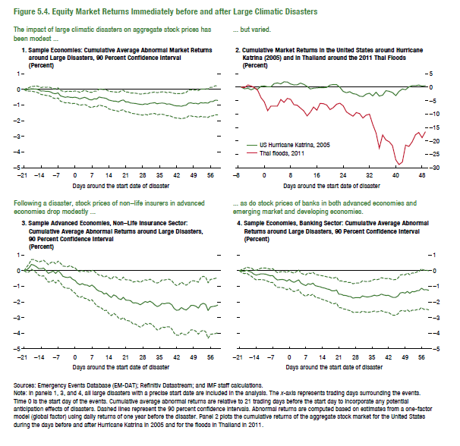
Figure 5.4. Equity Market Returns Immediately before and after Large Climatic Disasters

1. Sample Economies: Cumulative Average Abnormal Market Returns |  |  |  | 2. Cumulative Market Returns in the United States around |  |  | 3. Sample Advanced Economies, Non-Life Insurance Sector: |  |  |  | 4. Sample Economies, Banking Sector:
around Large Disasters, 90 Percent Confidence Interval |  |  |  | Hurricane Katrina (2005) and in Thailand around the 2011 Thai Floods |  |  | Cumulative Average Abnormal Returns around Large Disasters, 90 Percent Confidence Interval |  |  |  | Cumulative Average Abnormal Returns around Large Disasters, 90 Percent Confidence Interval
(Percent) |  |  |  | (Percent) |  |  | (Percent) |  |  |  | (Percent)
 | CAAR | Upper | Lower |  | US Hurricane Katrina, 2005 | Thai Floods, 2011 |  | CAAR | Upper | Lower |  | CAAR | Upper | Lower
-21 | 0.000 | 0.000 | 0.000 | -7 | 0.000 | 0.000 | -21 | 0.000 | 0.000 | 0.000 | -21 | 0.000 | 0.000 | 0.000
-20 | -0.022 | 0.059 | -0.103 | -6 | -0.574 | -0.119 | -20 | 0.056 | 0.229 | -0.117 | -20 | -0.032 | 0.076 | -0.141
-19 | 0.002 | 0.114 | -0.109 | -5 | -0.381 | 0.847 | -19 | 0.179 | 0.436 | -0.078 | -19 | -0.037 | 0.120 | -0.195
-18 | 0.043 | 0.189 | -0.103 | -4 | -0.976 | 0.418 | -18 | 0.400 | 0.710 | 0.090 | -18 | 0.031 | 0.225 | -0.163
-17 | 0.029 | 0.199 | -0.142 | -3 | -0.395 | -0.190 | -17 | 0.346 | 0.703 | -0.012 | -17 | -0.050 | 0.179 | -0.278
-16 | 0.026 | 0.222 | -0.170 | -2 | -0.700 | -1.186 | -16 | 0.254 | 0.632 | -0.123 | -16 | -0.100 | 0.160 | -0.361
-15 | -0.026 | 0.184 | -0.236 | -1 | 0.338 | -3.924 | -15 | 0.132 | 0.556 | -0.292 | -15 | -0.225 | 0.046 | -0.497
-14 | -0.103 | 0.120 | -0.327 | 0 | 0.469 | -5.470 | -14 | 0.127 | 0.608 | -0.354 | -14 | -0.286 | 0.020 | -0.592
-13 | -0.095 | 0.152 | -0.343 | 1 | 0.151 | -8.762 | -13 | 0.165 | 0.662 | -0.332 | -13 | -0.244 | 0.089 | -0.577
-12 | -0.124 | 0.133 | -0.381 | 2 | 0.151 | -7.052 | -12 | 0.005 | 0.529 | -0.518 | -12 | -0.207 | 0.156 | -0.570
-11 | -0.120 | 0.152 | -0.392 | 3 | 1.355 | -7.020 | -11 | -0.176 | 0.384 | -0.736 | -11 | -0.208 | 0.168 | -0.584
-10 | -0.172 | 0.111 | -0.456 | 4 | 1.613 | -7.020 | -10 | -0.099 | 0.514 | -0.713 | -10 | -0.227 | 0.165 | -0.618
-9 | -0.254 | 0.040 | -0.549 | 5 | 1.246 | -4.583 | -9 | -0.026 | 0.566 | -0.617 | -9 | -0.278 | 0.130 | -0.687
-8 | -0.272 | 0.042 | -0.587 | 6 | 2.009 | -5.647 | -8 | -0.180 | 0.432 | -0.791 | -8 | -0.329 | 0.097 | -0.755
-7 | -0.225 | 0.101 | -0.551 | 7 | 1.943 | -4.142 | -7 | -0.003 | 0.607 | -0.613 | -7 | -0.315 | 0.129 | -0.759
-6 | -0.409 | -0.069 | -0.749 | 8 | 1.213 | -4.516 | -6 | -0.149 | 0.476 | -0.774 | -6 | -0.488 | -0.029 | -0.947
-5 | -0.457 | -0.112 | -0.803 | 9 | 0.857 | -6.534 | -5 | -0.361 | 0.293 | -1.015 | -5 | -0.597 | -0.125 | -1.069
-4 | -0.503 | -0.148 | -0.858 | 10 | 0.883 | -6.703 | -4 | -0.422 | 0.273 | -1.117 | -4 | -0.580 | -0.089 | -1.070
-3 | -0.472 | -0.109 | -0.835 | 11 | 1.569 | -7.789 | -3 | -0.436 | 0.252 | -1.125 | -3 | -0.567 | -0.055 | -1.078
-2 | -0.506 | -0.126 | -0.885 | 12 | 1.070 | -8.817 | -2 | -0.402 | 0.328 | -1.133 | -2 | -0.591 | -0.062 | -1.119
-1 | -0.520 | -0.135 | -0.905 | 13 | 0.327 | -10.707 | -1 | -0.554 | 0.221 | -1.329 | -1 | -0.671 | -0.126 | -1.217
0 | -0.497 | -0.100 | -0.894 | 14 | -0.663 | -9.303 | 0 | -0.628 | 0.178 | -1.434 | 0 | -0.567 | -0.011 | -1.123
1 | -0.539 | -0.135 | -0.942 | 15 | -0.356 | -7.406 | 1 | -0.804 | 0.020 | -1.628 | 1 | -0.681 | -0.106 | -1.256
2 | -0.602 | -0.185 | -1.019 | 16 | -0.238 | -8.569 | 2 | -0.899 | -0.074 | -1.725 | 2 | -0.750 | -0.157 | -1.343
3 | -0.551 | -0.122 | -0.980 | 17 | -0.145 | -6.044 | 3 | -0.829 | -0.009 | -1.649 | 3 | -0.671 | -0.061 | -1.281
4 | -0.507 | -0.053 | -0.960 | 18 | -0.161 | -6.168 | 4 | -0.915 | -0.054 | -1.775 | 4 | -0.592 | 0.041 | -1.224
5 | -0.572 | -0.116 | -1.027 | 19 | -0.070 | -6.649 | 5 | -0.926 | -0.056 | -1.796 | 5 | -0.804 | -0.162 | -1.445
6 | -0.653 | -0.181 | -1.125 | 20 | 0.816 | -8.330 | 6 | -1.015 | -0.106 | -1.924 | 6 | -0.888 | -0.228 | -1.549
7 | -0.676 | -0.192 | -1.160 | 21 | 1.013 | -7.628 | 7 | -0.920 | 0.019 | -1.860 | 7 | -0.960 | -0.271 | -1.648
8 | -0.599 | -0.113 | -1.085 | 22 | 0.974 | -6.334 | 8 | -1.047 | -0.039 | -2.056 | 8 | -0.835 | -0.146 | -1.525
9 | -0.612 | -0.109 | -1.115 | 23 | -0.011 | -5.958 | 9 | -1.225 | -0.188 | -2.261 | 9 | -0.884 | -0.184 | -1.584
10 | -0.485 | 0.016 | -0.986 | 24 | -1.562 | -6.939 | 10 | -1.311 | -0.297 | -2.325 | 10 | -0.806 | -0.102 | -1.509
11 | -0.523 | -0.003 | -1.043 | 25 | -2.064 | -9.186 | 11 | -1.351 | -0.301 | -2.401 | 11 | -0.957 | -0.237 | -1.677
12 | -0.544 | -0.012 | -1.076 | 26 | -1.679 | -10.047 | 12 | -1.492 | -0.429 | -2.556 | 12 | -1.003 | -0.270 | -1.736
13 | -0.582 | -0.036 | -1.127 | 27 | -2.385 | -10.824 | 13 | -1.435 | -0.336 | -2.534 | 13 | -1.033 | -0.300 | -1.766
14 | -0.680 | -0.114 | -1.247 | 28 | -2.608 | -9.443 | 14 | -1.600 | -0.453 | -2.747 | 14 | -1.085 | -0.329 | -1.841
15 | -0.717 | -0.140 | -1.293 | 29 | -3.332 | -9.850 | 15 | -1.718 | -0.555 | -2.882 | 15 | -1.118 | -0.359 | -1.878
16 | -0.748 | -0.159 | -1.338 | 30 | -3.470 | -11.473 | 16 | -1.552 | -0.378 | -2.726 | 16 | -1.173 | -0.399 | -1.947
17 | -0.760 | -0.170 | -1.350 | 31 | -2.564 | -10.387 | 17 | -1.625 | -0.408 | -2.842 | 17 | -1.200 | -0.409 | -1.990
18 | -0.805 | -0.194 | -1.415 | 32 | -2.224 | -10.051 | 18 | -1.792 | -0.554 | -3.030 | 18 | -1.284 | -0.478 | -2.091
19 | -0.718 | -0.102 | -1.334 | 33 | -3.250 | -13.855 | 19 | -1.851 | -0.599 | -3.104 | 19 | -1.292 | -0.468 | -2.116
20 | -0.675 | -0.055 | -1.296 | 34 | -1.850 | -17.081 | 20 | -1.706 | -0.414 | -2.998 | 20 | -1.243 | -0.415 | -2.071
21 | -0.800 | -0.170 | -1.430 | 35 | -3.283 | -22.729 | 21 | -1.886 | -0.588 | -3.184 | 21 | -1.507 | -0.659 | -2.356
22 | -0.804 | -0.176 | -1.432 | 36 | -2.972 | -17.812 | 22 | -1.896 | -0.590 | -3.202 | 22 | -1.513 | -0.650 | -2.375
23 | -0.865 | -0.230 | -1.501 | 37 | -1.302 | -19.666 | 23 | -1.925 | -0.612 | -3.239 | 23 | -1.580 | -0.707 | -2.453
24 | -0.887 | -0.231 | -1.544 | 38 | -1.530 | -20.366 | 24 | -2.073 | -0.726 | -3.420 | 24 | -1.585 | -0.697 | -2.472
25 | -0.897 | -0.240 | -1.553 | 39 | -1.972 | -21.779 | 25 | -2.055 | -0.695 | -3.415 | 25 | -1.642 | -0.753 | -2.532
26 | -0.931 | -0.270 | -1.592 | 40 | -3.130 | -27.103 | 26 | -2.097 | -0.664 | -3.530 | 26 | -1.661 | -0.754 | -2.568
27 | -0.959 | -0.300 | -1.617 | 41 | -1.555 | -28.878 | 27 | -2.187 | -0.757 | -3.616 | 27 | -1.757 | -0.840 | -2.673
28 | -0.971 | -0.295 | -1.646 | 42 | -0.661 | -27.903 | 28 | -2.085 | -0.645 | -3.526 | 28 | -1.729 | -0.799 | -2.660
29 | -0.924 | -0.253 | -1.594 | 43 | -0.912 | -21.596 | 29 | -1.976 | -0.586 | -3.367 | 29 | -1.724 | -0.793 | -2.656
30 | -0.953 | -0.273 | -1.633 | 44 | 0.141 | -22.083 | 30 | -2.033 | -0.621 | -3.445 | 30 | -1.732 | -0.781 | -2.684
31 | -0.891 | -0.210 | -1.572 | 45 | 0.567 | -20.349 | 31 | -1.958 | -0.545 | -3.372 | 31 | -1.619 | -0.652 | -2.585
32 | -0.875 | -0.196 | -1.555 | 46 | 0.570 | -17.732 | 32 | -2.052 | -0.636 | -3.468 | 32 | -1.660 | -0.689 | -2.631
33 | -0.848 | -0.161 | -1.535 | 47 | 0.808 | -16.887 | 33 | -2.191 | -0.756 | -3.626 | 33 | -1.685 | -0.703 | -2.668
34 | -0.920 | -0.212 | -1.628 | 48 | 0.447 | -18.830 | 34 | -2.296 | -0.795 | -3.797 | 34 | -1.666 | -0.679 | -2.652
35 | -0.887 | -0.181 | -1.592 | 49 | 0.596 | -16.656 | 35 | -2.234 | -0.728 | -3.740 | 35 | -1.629 | -0.630 | -2.628
36 | -0.872 | -0.159 | -1.585 | 50 |  |  | 36 | -2.096 | -0.589 | -3.603 | 36 | -1.567 | -0.557 | -2.578
37 | -0.885 | -0.159 | -1.611 |  |  |  | 37 | -2.119 | -0.601 | -3.637 | 37 | -1.609 | -0.584 | -2.634
38 | -0.945 | -0.207 | -1.682 |  |  |  | 38 | -2.077 | -0.560 | -3.594 | 38 | -1.580 | -0.550 | -2.610
39 | -0.924 | -0.177 | -1.672 |  |  |  | 39 | -2.074 | -0.554 | -3.593 | 39 | -1.503 | -0.448 | -2.558
40 | -0.971 | -0.210 | -1.733 |  |  |  | 40 | -2.177 | -0.634 | -3.719 | 40 | -1.559 | -0.492 | -2.626
41 | -1.025 | -0.252 | -1.798 |  |  |  | 41 | -2.424 | -0.853 | -3.995 | 41 | -1.587 | -0.508 | -2.666
42 | -1.053 | -0.271 | -1.835 |  |  |  | 42 | -2.537 | -0.949 | -4.126 | 42 | -1.580 | -0.487 | -2.673
43 | -1.053 | -0.265 | -1.842 |  |  |  | 43 | -2.513 | -0.890 | -4.135 | 43 | -1.657 | -0.539 | -2.774
44 | -1.078 | -0.277 | -1.878 |  |  |  | 44 | -2.360 | -0.737 | -3.984 | 44 | -1.718 | -0.582 | -2.853
45 | -1.034 | -0.231 | -1.837 |  |  |  | 45 | -2.467 | -0.854 | -4.080 | 45 | -1.711 | -0.572 | -2.849
46 | -1.009 | -0.193 | -1.825 |  |  |  | 46 | -2.518 | -0.934 | -4.103 | 46 | -1.626 | -0.483 | -2.768
47 | -0.871 | -0.046 | -1.696 |  |  |  | 47 | -2.387 | -0.822 | -3.952 | 47 | -1.427 | -0.284 | -2.569
48 | -0.861 | -0.028 | -1.694 |  |  |  | 48 | -2.222 | -0.658 | -3.786 | 48 | -1.394 | -0.247 | -2.540
49 | -0.896 | -0.058 | -1.734 |  |  |  | 49 | -2.219 | -0.645 | -3.794 | 49 | -1.438 | -0.279 | -2.597
50 | -0.883 | -0.031 | -1.734 |  |  |  | 50 | -2.282 | -0.682 | -3.881 | 50 | -1.331 | -0.155 | -2.507
51 | -0.933 | -0.079 | -1.787 |  |  |  | 51 | -2.400 | -0.740 | -4.060 | 51 | -1.445 | -0.265 | -2.625
52 | -0.849 | 0.024 | -1.721 |  |  |  | 52 | -2.168 | -0.448 | -3.888 | 52 | -1.338 | -0.152 | -2.524
53 | -0.873 | 0.015 | -1.761 |  |  |  | 53 | -2.090 | -0.363 | -3.818 | 53 | -1.352 | -0.163 | -2.541
54 | -0.855 | 0.044 | -1.754 |  |  |  | 54 | -2.158 | -0.413 | -3.904 | 54 | -1.286 | -0.080 | -2.491
55 | -0.882 | 0.028 | -1.792 |  |  |  | 55 | -2.553 | -0.781 | -4.326 | 55 | -1.267 | -0.048 | -2.486
56 | -0.783 | 0.132 | -1.699 |  |  |  | 56 | -2.325 | -0.567 | -4.083 | 56 | -1.122 | 0.117 | -2.360
57 | -0.776 | 0.142 | -1.694 |  |  |  | 57 | -2.291 | -0.533 | -4.049 | 57 | -1.226 | 0.027 | -2.479
58 | -0.695 | 0.228 | -1.618 |  |  |  | 58 | -2.265 | -0.498 | -4.031 | 58 | -1.211 | 0.036 | -2.459
59 | -0.699 | 0.228 | -1.625 |  |  |  | 59 | -2.208 | -0.447 | -3.969 | 59 | -1.260 | -0.013 | -2.506

2014-03-12 | -8.20
2014-03-13 | -8.84
2014-03-14 | -3.41
2014-03-17 | -3.55
2014-03-18 | -5.63
2014-03-19 | -7.36
2014-03-20 | -9.33
2014-03-21 | -5.81
2014-03-24 | -6.63
2014-03-25 | -6.85
2014-03-26 | -8.37
2014-03-27 | -10.82
2014-03-28 | -11.23
2014-03-31 | -11.36
2014-04-01 | -8.79
2014-04-02 | -8.05
2014-04-03 | -8.69
2014-04-04 | -9.05
2014-04-07 | -9.94
2014-04-08 | -8.11
2014-04-09 | -8.35
2014-04-10 | -10.07
2014-04-11 | -10.51
2014-04-14 | -10.96
2014-04-15 | -8.00
2014-04-16 | -11.27
2014-04-17 | -10.74
2014-04-18 | -10.84
2014-04-21 | -10.88
2014-04-22 | -6.42
2014-04-23 | -8.96
2014-04-24 | -9.98
2014-04-25 | -10.47
2014-04-28 | -11.48
2014-04-29 | -9.27
2014-04-30 | -9.36
2014-05-01 | -9.70
2014-05-02 | -8.65
2014-05-05 | -6.42
2014-05-06 | -6.60
2014-05-07 | -7.80
2014-05-08 | -8.93
2014-05-09 | -8.71
2014-05-12 | -6.20
2014-05-13 | -7.63
2014-05-14 | -8.88
2014-05-15 | -9.02
2014-05-16 | -8.73
2014-05-19 | -6.77
2014-05-20 | -7.10
2014-05-21 | -8.66
2014-05-22 | -9.25
2014-05-23 | -8.98
2014-05-26 | -7.17
2014-05-27 | -8.13
2014-05-28 | -10.22
2014-05-29 | -11.50
2014-05-30 | -12.24
2014-06-02 | -8.65
2014-06-03 | -8.70
2014-06-04 | -10.68
2014-06-05 | -12.30
2014-06-06 | -11.53
2014-06-09 | -11.55
2014-06-10 | -8.72
2014-06-11 | -9.82
2014-06-12 | -12.09
2014-06-13 | -12.61
2014-06-16 | -12.71
2014-06-17 | -9.48
2014-06-18 | -10.27
2014-06-19 | -10.58
2014-06-20 | -10.23
2014-06-23 | -10.39
2014-06-24 | -8.95
2014-06-25 | -10.03
2014-06-26 | -10.51
2014-06-27 | -10.55
2014-06-30 | -9.34
2014-07-01 | -7.49
2014-07-02 | -9.49
2014-07-03 | -10.37
2014-07-04 | -10.74
2014-07-07 | -8.24
2014-07-08 | -8.17
2014-07-09 | -9.83
2014-07-10 | -9.87
2014-07-11 | -9.23
2014-07-14 | -7.19
2014-07-15 | -7.62
2014-07-16 | -9.67
2014-07-17 | -10.22
2014-07-18 | -10.82
2014-07-21 | -8.23
2014-07-22 | -7.92
2014-07-23 | -9.04
2014-07-24 | -9.13
2014-07-25 | -9.22
2014-07-28 | -10.52
2014-07-29 | -12.43
2014-07-30 | -8.37
2014-07-31 | -8.75
2014-08-01 | -7.20
2014-08-04 | -7.18
2014-08-05 | -7.80
2014-08-06 | -9.52
2014-08-07 | -9.03
2014-08-08 | -9.08
2014-08-11 | -7.10
2014-08-12 | -7.37
2014-08-13 | -8.90
2014-08-14 | -9.74
2014-08-15 | -10.16
2014-08-18 | -10.62
2014-08-19 | -8.90
2014-08-20 | -10.24
2014-08-21 | -10.52
2014-08-22 | -10.35
2014-08-25 | -8.16
2014-08-26 | -8.49
2014-08-27 | -8.52
2014-08-28 | -12.52
2014-08-29 | -13.53
2014-09-01 | -13.53
2014-09-02 | -10.19
2014-09-03 | -10.19
2014-09-04 | -14.24
2014-09-05 | -13.69
2014-09-08 | -14.46
2014-09-09 | -11.73
2014-09-10 | -11.58
2014-09-11 | -12.31
2014-09-12 | -12.27
2014-09-15 | -12.74
2014-09-16 | -10.55
2014-09-17 | -12.39
2014-09-18 | -13.42
2014-09-19 | -14.50
2014-09-22 | -12.80
2014-09-23 | -9.52
2014-09-24 | -9.13
2014-09-25 | -11.16
2014-09-26 | -10.90
2014-09-29 | -7.41
2014-09-30 | -7.68
2014-10-01 | -9.76
2014-10-02 | -9.34
2014-10-03 | -6.83
2014-10-06 | -7.62
2014-10-07 | -6.40
2014-10-08 | -7.56
2014-10-09 | -7.52
2014-10-10 | -8.37
2014-10-13 | -6.40
2014-10-14 | -7.23
2014-10-15 | -8.50
2014-10-16 | -8.97
2014-10-17 | -7.70
2014-10-20 | -6.97
2014-10-21 | -8.87
2014-10-22 | -10.02
2014-10-23 | -8.30
2014-10-24 | -8.53
2014-10-27 | -10.17
2014-10-28 | -11.08
2014-10-29 | -12.31
2014-10-30 | -10.62
2014-10-31 | -11.16
2014-11-03 | -10.88
2014-11-04 | -9.13
2014-11-05 | -8.86
2014-11-06 | -9.99
2014-11-07 | -10.47
2014-11-10 | -8.69
2014-11-11 | -8.11
2014-11-12 | -10.92
2014-11-13 | -11.09
2014-11-14 | -10.92
2014-11-17 | -8.27
2014-11-18 | -9.20
2014-11-19 | -10.59
2014-11-20 | -11.60
2014-11-21 | -7.26
2014-11-24 | -7.01
2014-11-25 | -7.33
2014-11-26 | -7.50
2014-11-27 | -17.56
2014-11-28 | -21.01
2014-12-01 | -19.82
2014-12-02 | -21.96
2014-12-03 | -22.52
2014-12-04 | -21.78
2014-12-05 | -21.96
2014-12-08 | -20.59
2014-12-09 | -21.49
2014-12-10 | -21.58
2014-12-11 | -18.40
2014-12-12 | -19.13
2014-12-15 | -16.99
2014-12-16 | -17.51
2014-12-17 | -19.55
2014-12-18 | -20.28
2014-12-19 | -17.96
2014-12-22 | -21.65
2014-12-23 | -21.54
2014-12-24 | -21.75
2014-12-25 | -21.81
2014-12-26 | -21.45
2014-12-29 | -19.56
2014-12-30 | -16.42
2014-12-31 | -16.09
2015-01-01 | -16.53 | -200
2015-01-02 | -15.29
2015-01-05 | -13.72
2015-01-06 | -12.49
2015-01-07 | -14.32
2015-01-08 | -14.04
2015-01-09 | -13.88
2015-01-12 | -10.84
2015-01-13 | -11.69
2015-01-14 | -12.34
2015-01-15 | -15.14
2015-01-16 | -23.35
2015-01-19 | -35.31
2015-01-20 | -34.81
2015-01-21 | -49.83
2015-01-22 | -47.90
2015-01-23 | -45.54
2015-01-26 | -22.96
2015-01-27 | -19.10
2015-01-28 | -23.96
2015-01-29 | -24.18
2015-01-30 | -26.23
2015-02-02 | -29.11
2015-02-03 | -24.99
2015-02-04 | -24.95
2015-02-05 | -25.09
2015-02-06 | -22.43
2015-02-09 | -23.39
2015-02-10 | -22.00
2015-02-11 | -23.57
2015-02-12 | -21.88
2015-02-13 | -19.59
2015-02-16 | -20.74
2015-02-17 | -19.53
2015-02-18 | -19.03
2015-02-19 | -18.70
2015-02-20 | -22.44
2015-02-23 | -20.45
2015-02-24 | -17.51
2015-02-25 | -17.92
2015-02-26 | -19.19
2015-02-27 | -22.01
2015-03-02 | -21.47
2015-03-03 | -19.68
2015-03-04 | -17.61
2015-03-05 | -17.59
2015-03-06 | -17.58
2015-03-09 | -17.15
2015-03-10 | -16.89
2015-03-11 | -17.72
2015-03-12 | -16.76
2015-03-13 | -16.82
2015-03-16 | -17.76
2015-03-17 | -19.01
2015-03-18 | -21.29
2015-03-19 | -19.93
2015-03-20 | -20.22
2015-03-23 | -19.90
2015-03-24 | -21.14
2015-03-25 | -23.15
2015-03-26 | -24.56
2015-03-27 | -25.12
2015-03-30 | -25.84
2015-03-31 | -25.41
2015-04-01 | -22.72
2015-04-02 | -22.65
2015-04-03 | -22.75
2015-04-06 | -22.60
2015-04-07 | -19.65
2015-04-08 | -16.94
2015-04-09 | -16.93
2015-04-10 | -18.97
2015-04-13 | -18.25
2015-04-14 | -18.93
2015-04-15 | -18.38
2015-04-16 | -20.34
2015-04-17 | -19.87
2015-04-20 | -18.81
2015-04-21 | -18.80
2015-04-22 | -17.97
2015-04-23 | -17.69
2015-04-24 | -18.54
2015-04-27 | -18.23
2015-04-28 | -18.43
2015-04-29 | -18.52
2015-04-30 | -19.16
2015-05-01 | -18.64
2015-05-04 | -17.22
2015-05-05 | -16.32
2015-05-06 | -16.41
2015-05-07 | -16.75
2015-05-08 | -15.84
2015-05-11 | -16.56
2015-05-12 | -14.86
2015-05-13 | -15.81
2015-05-14 | -16.22
2015-05-15 | -16.35
2015-05-18 | -14.65
2015-05-19 | -13.75
2015-05-20 | -13.14
2015-05-21 | -12.01
2015-05-22 | -13.57
2015-05-25 | -14.34
2015-05-26 | -13.19
2015-05-27 | -12.43
2015-05-28 | -17.02
2015-05-29 | -17.88
2015-06-01 | -17.28
2015-06-02 | -17.50
2015-06-03 | -16.02
2015-06-04 | -15.83
2015-06-05 | -16.67
2015-06-08 | -16.64
2015-06-09 | -15.76
2015-06-10 | -14.06
2015-06-11 | -15.69
2015-06-12 | -17.67
2015-06-15 | -18.07
2015-06-16 | -18.70
2015-06-17 | -17.83
2015-06-18 | -17.24
2015-06-19 | -17.55
2015-06-22 | -16.88
2015-06-23 | -16.94
2015-06-24 | -16.51
2015-06-25 | -17.35
2015-06-26 | -18.77
2015-06-29 | -18.63
2015-06-30 | -18.61
2015-07-01 | -17.64
2015-07-02 | -17.31
2015-07-03 | -18.19
2015-07-06 | -19.34
2015-07-07 | -17.13
2015-07-08 | -15.95
2015-07-09 | -15.40
2015-07-10 | -13.59
2015-07-13 | -12.93
2015-07-14 | -11.96
2015-07-15 | -11.37
2015-07-16 | -11.13
2015-07-17 | -11.33
2015-07-20 | -12.02
2015-07-21 | -12.42
2015-07-22 | -11.86
2015-07-23 | -11.86
2015-07-24 | -12.57
2015-07-27 | -13.74
2015-07-28 | -13.13
2015-07-29 | -13.01
2015-07-30 | -12.92
2015-07-31 | -10.56
2015-08-03 | -13.80
2015-08-04 | -12.95
2015-08-05 | -12.60
2015-08-06 | -11.85
2015-08-07 | -12.58
2015-08-10 | -12.31
2015-08-11 | -12.51
2015-08-12 | -13.02
2015-08-13 | -12.84
2015-08-14 | -13.35
2015-08-17 | -12.47
2015-08-18 | -14.73
2015-08-19 | -14.50
2015-08-20 | -14.33
2015-08-21 | -14.97
2015-08-24 | -16.73
2015-08-25 | -18.39
2015-08-26 | -18.12
2015-08-27 | -18.20
2015-08-28 | -22.54
2015-08-31 | -20.77
2015-09-01 | -23.63
2015-09-02 | -24.28
2015-09-03 | -24.69
2015-09-04 | -24.61
2015-09-07 | -23.97
2015-09-08 | -25.95
2015-09-09 | -26.03
2015-09-10 | -24.90
2015-09-11 | -25.35
2015-09-14 | -26.46
2015-09-15 | -30.27
2015-09-16 | -32.54
2015-09-17 | -26.82
2015-09-18 | -33.11
2015-09-21 | -33.85
2015-09-22 | -30.57
2015-09-23 | -29.91
2015-09-24 | -27.57
2015-09-25 | -24.68
2015-09-28 | -22.25
2015-09-29 | -19.00
2015-09-30 | -19.34
2015-10-01 | -19.07
2015-10-02 | -16.55
2015-10-05 | -18.62
2015-10-06 | -17.54
2015-10-07 | -16.28
2015-10-08 | -16.30
2015-10-09 | -16.15
2015-10-12 | -16.80
2015-10-13 | -16.15
2015-10-14 | -15.60
2015-10-15 | -15.53
2015-10-16 | -15.78
2015-10-19 | -16.28
2015-10-20 | -16.08
2015-10-21 | -15.47
2015-10-22 | -15.93
2015-10-23 | -16.50
2015-10-26 | -16.55
2015-10-27 | -14.82
2015-10-28 | -15.42
2015-10-29 | -15.29
2015-10-30 | -14.89
2015-11-02 | -13.82
2015-11-03 | -13.42
2015-11-04 | -12.69
2015-11-05 | -12.13
2015-11-06 | -12.96
2015-11-09 | -11.50
2015-11-10 | -12.27
2015-11-11 | -10.09
2015-11-12 | -10.39
2015-11-13 | -11.22
2015-11-16 | -11.14
2015-11-17 | -15.06
2015-11-18 | -14.72
2015-11-19 | -15.08
2015-11-20 | -19.06
2015-11-23 | -19.26
2015-11-24 | -21.19
2015-11-25 | -21.20
2015-11-26 | -24.22
2015-11-27 | -74.05
2015-11-30 | -83.61
2015-12-01 | -85.37
2015-12-02 | -76.99
2015-12-03 | -58.34
2015-12-04 | -57.38
2015-12-07 | -61.39
2015-12-08 | -58.68
2015-12-09 | -55.46
2015-12-10 | -52.21
2015-12-11 | -55.12
2015-12-14 | -62.72
2015-12-15 | -62.77
2015-12-16 | -66.41
2015-12-17 | -52.68
2015-12-18 | -52.35
2015-12-21 | -56.97
2015-12-22 | -52.30
2015-12-23 | -48.13
2015-12-24 | -46.97
2015-12-25 | -47.72
2015-12-28 | -43.58
2015-12-29 | -29.23
2015-12-30 | -23.06
2015-12-31 | -23.38
2016-01-01 | -22.93
2016-01-04 | -24.50
2016-01-05 | -19.92
2016-01-06 | -18.14
2016-01-07 | -18.11
2016-01-08 | -19.16
2016-01-11 | -21.39
2016-01-12 | -20.56
2016-01-13 | -19.61
2016-01-14 | -18.72
2016-01-15 | -19.54
2016-01-18 | -20.64
2016-01-19 | -18.27
2016-01-20 | -16.49
2016-01-21 | -15.84
2016-01-22 | -14.36
2016-01-25 | -18.36
2016-01-26 | -16.02
2016-01-27 | -16.08
2016-01-28 | -13.63
2016-01-29 | -15.49
2016-02-01 | -15.11
2016-02-02 | -14.60
2016-02-03 | -17.02
2016-02-04 | -14.94
2016-02-05 | -17.30
2016-02-08 | -18.50
2016-02-09 | -18.78
2016-02-10 | -18.86
2016-02-11 | -19.28
2016-02-12 | -16.65
2016-02-15 | -16.25
2016-02-16 | -17.89
2016-02-17 | -21.02
2016-02-18 | -18.65
2016-02-19 | -19.06
2016-02-22 | -18.97
2016-02-23 | -24.85
2016-02-24 | -24.43
2016-02-25 | -22.85
2016-02-26 | -33.87
2016-02-29 | -39.58
2016-03-01 | -38.30
2016-03-02 | -36.51
2016-03-03 | -36.79
2016-03-04 | -37.20
2016-03-07 | -39.77
2016-03-08 | -37.03
2016-03-09 | -33.00
2016-03-10 | -31.22
2016-03-11 | -32.50
2016-03-14 | -34.72
2016-03-15 | -32.78
2016-03-16 | -31.43
2016-03-17 | -30.17
2016-03-18 | -32.14
2016-03-21 | -33.99
2016-03-22 | -33.83
2016-03-23 | -30.20
2016-03-24 | -28.90
2016-03-25 | -29.17
2016-03-28 | -29.43
2016-03-29 | -30.68
2016-03-30 | -26.76
2016-03-31 | -29.51
2016-04-01 | -30.15
2016-04-04 | -24.63
2016-04-05 | -27.13
2016-04-06 | -26.70
2016-04-07 | -24.42
2016-04-08 | -24.81
2016-04-11 | -24.42
2016-04-12 | -28.04
2016-04-13 | -26.42
2016-04-14 | -23.69
2016-04-15 | -23.39
2016-04-18 | -23.38
2016-04-19 | -26.26
2016-04-20 | -24.70
2016-04-21 | -22.17
2016-04-22 | -22.40
2016-04-25 | -23.52
2016-04-26 | -28.06
2016-04-27 | -27.38
2016-04-28 | -24.68
2016-04-29 | -25.96
2016-05-02 | -29.59
2016-05-03 | -25.58
2016-05-04 | -25.33
2016-05-05 | -24.95
2016-05-06 | -24.14
2016-05-09 | -25.91
2016-05-10 | -23.78
2016-05-11 | -22.46
2016-05-12 | -23.84
2016-05-13 | -25.75
2016-05-16 | -27.11
2016-05-17 | -24.78
2016-05-18 | -23.21
2016-05-19 | -22.45
2016-05-20 | -24.81
2016-05-23 | -26.73
2016-05-24 | -26.49
2016-05-25 | -24.81
2016-05-26 | -24.16
2016-05-27 | -26.76
2016-05-30 | -32.94
2016-05-31 | -40.85
2016-06-01 | -44.51
2016-06-02 | -43.70
2016-06-03 | -40.62
2016-06-06 | -42.69
2016-06-07 | -46.59
2016-06-08 | -45.79
2016-06-09 | -44.71
2016-06-10 | -46.27
2016-06-13 | -48.79
2016-06-14 | -58.27
2016-06-15 | -56.80
2016-06-16 | -58.78
2016-06-17 | -56.87
2016-06-20 | -53.91
2016-06-21 | -61.11
2016-06-22 | -60.46
2016-06-23 | -53.55
2016-06-24 | -80.40
2016-06-27 | -66.17
2016-06-28 | -56.97
2016-06-29 | -48.50
2016-06-30 | -49.24
2016-07-01 | -45.43
2016-07-04 | -50.26
2016-07-05 | -44.02
2016-07-06 | -50.92
2016-07-07 | -48.52
2016-07-08 | -45.96
2016-07-11 | -47.39
2016-07-12 | -44.31
2016-07-13 | -40.55
2016-07-14 | -39.80
2016-07-15 | -46.24
2016-07-18 | -51.33
2016-07-19 | -46.78
2016-07-20 | -45.29
2016-07-21 | -46.71
2016-07-22 | -47.01
2016-07-25 | -53.26
2016-07-26 | -54.03
2016-07-27 | -56.39
2016-07-28 | -51.69
2016-07-29 | -50.93
2016-08-01 | -58.27
2016-08-02 | -56.20
2016-08-03 | -54.41
2016-08-04 | -50.51
2016-08-05 | -47.98
2016-08-08 | -52.40
2016-08-09 | -50.49
2016-08-10 | -45.17
2016-08-11 | -43.62
2016-08-12 | -42.49
2016-08-15 | -46.05
2016-08-16 | -44.35
2016-08-17 | -40.87
2016-08-18 | -40.81
2016-08-19 | -38.75
2016-08-22 | -44.46
2016-08-23 | -43.68
2016-08-24 | -42.71
2016-08-25 | -42.43
2016-08-26 | -43.17
2016-08-29 | -44.87
2016-08-30 | -68.49
2016-08-31 | -64.20
2016-09-01 | -63.19
2016-09-02 | -60.38
2016-09-05 | -60.86
2016-09-06 | -66.24
2016-09-07 | -62.47
2016-09-08 | -56.67
2016-09-09 | -55.71
2016-09-12 | -54.84
2016-09-13 | -60.58
2016-09-14 | -61.44
2016-09-15 | -59.44
2016-09-16 | -64.32
2016-09-19 | -63.58
2016-09-20 | -67.77
2016-09-21 | -63.97
2016-09-22 | -64.02
2016-09-23 | -61.17
2016-09-26 | -64.61
2016-09-27 | -75.45
2016-09-28 | -71.48
2016-09-29 | -52.39
2016-09-30 | -62.22
2016-10-03 | -68.41
2016-10-04 | -56.04
2016-10-05 | -44.96
2016-10-06 | -51.76
2016-10-07 | -51.25
2016-10-10 | -48.30
2016-10-11 | -43.11
2016-10-12 | -40.16
2016-10-13 | -45.61
2016-10-14 | -46.00
2016-10-17 | -52.82
2016-10-18 | -48.14
2016-10-19 | -42.40
2016-10-20 | -46.34
2016-10-21 | -42.49
2016-10-24 | -48.39
2016-10-25 | -46.12
2016-10-26 | -41.93
2016-10-27 | -41.07
2016-10-28 | -42.03
2016-10-31 | -42.67
2016-11-01 | -43.10
2016-11-02 | -37.11
2016-11-03 | -33.52
2016-11-04 | -35.96
2016-11-07 | -34.94
2016-11-08 | -38.49
2016-11-09 | -31.23
2016-11-10 | -29.13
2016-11-11 | -30.25
2016-11-14 | -30.96
2016-11-15 | -36.83
2016-11-16 | -34.41
2016-11-17 | -30.48
2016-11-18 | -31.69
2016-11-21 | -35.66
2016-11-22 | -39.39
2016-11-23 | -41.45
2016-11-24 | -36.49
2016-11-25 | -35.08
2016-11-28 | -40.53
2016-11-29 | -105.83
2016-11-30 | -99.45
2016-12-01 | -97.25
2016-12-02 | -102.68
2016-12-05 | -97.07
2016-12-06 | -101.24
2016-12-07 | -95.24
2016-12-08 | -90.35
2016-12-09 | -87.28
2016-12-12 | -109.45
2016-12-13 | -106.52
2016-12-14 | -100.99
2016-12-15 | -98.35
2016-12-16 | -96.65
2016-12-19 | -103.52
2016-12-20 | -102.92
2016-12-21 | -93.69
2016-12-22 | -96.39
2016-12-23 | -104.54
2016-12-26 | -106.22
2016-12-27 | -106.43
2016-12-28 | -127.84
2016-12-29 | -60.66
2016-12-30 | -70.44
2017-01-02 | -68.14
2017-01-03 | -47.37
2017-01-04 | -36.92
2017-01-05 | -36.72
2017-01-06 | -36.72
2017-01-09 | -38.30
2017-01-10 | -31.23
2017-01-11 | -25.46
2017-01-12 | -23.83
2017-01-13 | -24.29
2017-01-16 | -33.77
2017-01-17 | -30.98
2017-01-18 | -28.00
2017-01-19 | -27.30
2017-01-20 | -27.18
2017-01-23 | -31.90
2017-01-24 | -28.62
2017-01-25 | -24.36
2017-01-26 | -20.04
2017-01-27 | -15.44
2017-01-30 | -11.82
2017-01-31 | -10.61
2017-02-01 | -10.61
2017-02-02 | -8.95
2017-02-03 | -10.83
2017-02-06 | -10.94
2017-02-07 | -9.85
2017-02-08 | -7.94
2017-02-09 | -7.08
2017-02-10 | -7.91
2017-02-13 | -7.90
2017-02-14 | -7.45
2017-02-15 | -7.53
2017-02-16 | -7.83
2017-02-17 | -8.33
2017-02-20 | -9.08
2017-02-21 | -10.32
2017-02-22 | -11.57
2017-02-23 | -10.31
2017-02-24 | -17.33
2017-02-27 | -49.77
2017-02-28 | -48.32
2017-03-01 | -46.38
2017-03-02 | -44.43
2017-03-03 | -43.83
2017-03-06 | -52.35
2017-03-07 | -49.40
2017-03-08 | -45.97
2017-03-09 | -43.54
2017-03-10 | -52.59
2017-03-13 | -50.72
2017-03-14 | -51.23
2017-03-15 | -50.01
2017-03-16 | -42.03
2017-03-17 | -46.52
2017-03-20 | -53.33
2017-03-21 | -46.45
2017-03-22 | -41.98
2017-03-23 | -41.84
2017-03-24 | -39.11
2017-03-27 | -31.72
2017-03-28 | -28.40
2017-03-29 | -24.11
2017-03-30 | -19.93
2017-03-31 | -20.79
2017-04-03 | -19.75
2017-04-04 | -23.29
2017-04-05 | -18.28
2017-04-06 | -16.12
2017-04-07 | -18.46
2017-04-10 | -21.57
2017-04-11 | -26.60
2017-04-12 | -20.29
2017-04-13 | -21.77
2017-04-14 | -21.71
2017-04-17 | -22.77
2017-04-18 | -28.33
2017-04-19 | -25.16
2017-04-20 | -19.90
2017-04-21 | -24.34
2017-04-24 | -18.12
2017-04-25 | -28.24
2017-04-26 | -28.01
2017-04-27 | -23.44
2017-04-28 | -33.01
2017-05-01 | -32.77
2017-05-02 | -29.36
2017-05-03 | -25.16
2017-05-04 | -20.64
2017-05-05 | -19.89
2017-05-08 | -22.09
2017-05-09 | -19.63
2017-05-10 | -16.99
2017-05-11 | -18.94
2017-05-12 | -19.95
2017-05-15 | -25.52
2017-05-16 | -23.30
2017-05-17 | -21.43
2017-05-18 | -22.17
2017-05-19 | -23.71
2017-05-22 | -26.35
2017-05-23 | -23.03
2017-05-24 | -21.59
2017-05-25 | -21.62
2017-05-26 | -22.47
2017-05-29 | -20.41
2017-05-30 | -43.65
2017-05-31 | -40.17
2017-06-01 | -34.11
2017-06-02 | -31.45
2017-06-05 | -33.84
2017-06-06 | -39.98
2017-06-07 | -36.19
2017-06-08 | -32.95
2017-06-09 | -34.48
2017-06-12 | -33.86
2017-06-13 | -39.72
2017-06-14 | -36.76
2017-06-15 | -28.77
2017-06-16 | -29.06
2017-06-19 | -29.27
2017-06-20 | -37.28
2017-06-21 | -32.20
2017-06-22 | -28.47
2017-06-23 | -29.87
2017-06-26 | -30.82
2017-06-27 | -38.68
2017-06-28 | -29.38
2017-06-29 | -20.26
2017-06-30 | -27.79
2017-07-03 | -26.12
2017-07-04 | -22.96
2017-07-05 | -19.86
2017-07-06 | -20.79
2017-07-07 | -22.15
2017-07-10 | -29.04
2017-07-11 | -27.81
2017-07-12 | -19.67
2017-07-13 | -19.18
2017-07-14 | -21.98
2017-07-17 | -30.11
2017-07-18 | -29.45
2017-07-19 | -22.21
2017-07-20 | -21.11
2017-07-21 | -20.66
2017-07-24 | -28.37
2017-07-25 | -26.26
2017-07-26 | -22.21
2017-07-27 | -20.89
2017-07-28 | -24.42
2017-07-31 | -32.40
2017-08-01 | -30.38
2017-08-02 | -25.60
2017-08-03 | -20.25
2017-08-04 | -19.33
2017-08-07 | -27.49
2017-08-08 | -23.37
2017-08-09 | -20.64
2017-08-10 | -19.06
2017-08-11 | -20.82
2017-08-14 | -30.73
2017-08-15 | -27.62
2017-08-16 | -22.42
2017-08-17 | -20.85
2017-08-18 | -20.43
2017-08-21 | -28.59
2017-08-22 | -23.82
2017-08-23 | -20.39
2017-08-24 | -21.65
2017-08-25 | -20.79
2017-08-28 | -17.47
2017-08-29 | -13.81
2017-08-30 | -28.86
2017-08-31 | -23.57
2017-09-01 | -21.90
2017-09-04 | -22.30
2017-09-05 | -34.13
2017-09-06 | -29.01
2017-09-07 | -19.96
2017-09-08 | -20.00
2017-09-11 | -19.78
2017-09-12 | -27.32
2017-09-13 | -22.88
2017-09-14 | -19.56
2017-09-15 | -18.73
2017-09-18 | -19.50
2017-09-19 | -29.09
2017-09-20 | -25.44
2017-09-21 | -19.94
2017-09-22 | -24.32
2017-09-25 | -29.94
2017-09-26 | -38.80
2017-09-27 | -39.50
2017-09-28 | -22.41
2017-09-29 | -24.59
2017-10-02 | -31.93
2017-10-03 | -23.53
2017-10-04 | -18.94
2017-10-05 | -19.67
2017-10-06 | -20.94
2017-10-09 | -27.33
2017-10-10 | -24.58
2017-10-11 | -22.80
2017-10-12 | -19.97
2017-10-13 | -18.34
2017-10-16 | -25.09
2017-10-17 | -21.20
2017-10-18 | -17.07
2017-10-19 | -21.47
2017-10-20 | -17.93
2017-10-23 | -26.27
2017-10-24 | -21.94
2017-10-25 | -17.21
2017-10-26 | -16.75
2017-10-27 | -14.50
2017-10-30 | -14.90
2017-10-31 | -24.64
2017-11-01 | -17.73
2017-11-02 | -13.45
2017-11-03 | -13.26
2017-11-06 | -12.49
2017-11-07 | -19.69
2017-11-08 | -17.33
2017-11-09 | -12.02
2017-11-10 | -12.16
2017-11-13 | -12.35
2017-11-14 | -18.15
2017-11-15 | -14.61
2017-11-16 | -12.43
2017-11-17 | -11.48
2017-11-20 | -12.50
2017-11-21 | -27.40
2017-11-22 | -24.38
2017-11-23 | -17.18
2017-11-24 | -16.73
2017-11-27 | -16.05
2017-11-28 | -16.88
2017-11-29 | -78.90
2017-11-30 | -74.79
2017-12-01 | -74.81
2017-12-04 | -89.72
2017-12-05 | -90.94
2017-12-06 | -95.89
2017-12-07 | -102.53
2017-12-08 | -106.38
2017-12-11 | -110.67
2017-12-12 | -119.79
2017-12-13 | -133.04
2017-12-14 | -138.28
2017-12-15 | -184.90
2017-12-18 | -173.35
2017-12-19 | -130.52
2017-12-20 | -113.93
2017-12-21 | -144.12
2017-12-22 | -155.69
2017-12-25 | -155.05
2017-12-26 | -161.90
2017-12-27 | -135.50
2017-12-28 | -22.63
2017-12-29 | -22.54

Figure 5.5.
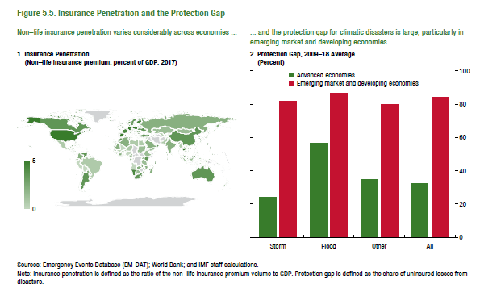
Figure 5.5. Insurance Penetration and the Protection Gap
1. Insurance Penetration |  |  | 2. Protection Gap, 2009–18 Average
(Non-life insurance premium, percent of GDP, 2017) |  |  | (Percent)

ISO code | Country name |  |  | Storm | Flood | Other | All
ALB | Albania | 0.88 | Advanced economies | 24.12 | 56.58 | 34.69 | 32.13
DZA | Algeria | 0.64 | Emerging market and developing economies | 81.57 | 86.41 | 80.10 | 83.95
AGO | Angola | 0.25
ATG | Antigua and Barbuda | 4.14
ARG | Argentina | 2.13
ARM | Armenia | 0.52
ABW | Aruba | 1.30
AUS | Australia | 2.16
AUT | Austria | 2.58
AZE | Azerbaijan | 0.68
BHS | Bahamas | 2.63
BHR | Bahrain | 1.04
BGD | Bangladesh | 0.15
BRB | Barbados | 4.51
BLR | Belarus | 0.78
BEL | Belgium | 2.10
BLZ | Belize | 2.48
BEN | Benin | 0.43
BOL | Bolivia | 0.72
BIH | Bosnia and Herzegovina | 1.53
BWA | Botswana | 0.73
BRA | Brazil | 1.03
BRN | Brunei Darussalam | 0.37
BGR | Bulgaria | 1.66
BFA | Burkina Faso | 0.45
BDI | Burundi | 0.42
CPV | Cabo Verde | 1.16
KHM | Cambodia | 0.26
CMR | Cameroon | 0.66
CAN | Canada | 2.66
CHL | Chile | 1.38
CHN | China | 1.21
COL | Colombia | 1.26
COD | Congo, Dem. Rep. | 0.23
CRI | Costa Rica | 1.62
CIV | Cote d'Ivoire | 0.61
HRV | Croatia | 1.40
CYP | Cyprus | 1.72
CZE | Czech Republic | 1.57
DNK | Denmark | 2.50
DOM | Dominican Republic | 0.83
ECU | Ecuador | 1.58
EGY | Egypt | 0.34
SLV | El Salvador | 1.05
EST | Estonia | 1.37
ETH | Ethiopia | 0.40
FJI | Fiji | 1.46
FIN | Finland | 1.64
FRA | France | 2.02
GAB | Gabon | 0.67
GMB | Gambia | 0.76
GEO | Georgia | 0.56
DEU | Germany | 1.88
GHA | Ghana | 0.64
GRC | Greece | 0.94
GTM | Guatemala | 0.79
GIN | Guinea | 0.05
GUY | Guyana | 0.46
HTI | Haiti | 0.50
HND | Honduras | 0.91
HKG | Hong Kong SAR, China | 0.81
HUN | Hungary | 1.18
IND | India | 0.57
IDN | Indonesia | 0.40
IRL | Ireland | 1.15
ISR | Israel | 1.80
ITA | Italy | 1.51
JAM | Jamaica | 2.25
JPN | Japan | 1.57
JOR | Jordan | 1.10
KAZ | Kazakhstan | 0.51
KEN | Kenya | 1.06
KOR | Korea | 4.91
KWT | Kuwait | 0.39
KGZ | Kyrgyz Republic | 0.16
LAO | Lao PDR | 0.50
LVA | Latvia | 0.95
LBN | Lebanon | 0.82
LBY | Libya | 0.22
LTU | Lithuania | 1.24
LUX | Luxembourg | 1.57
MAC | Macao SAR, China | 0.48
MDG | Madagascar | 0.50
MWI | Malawi | 0.80
MYS | Malaysia | 1.14
MLI | Mali | 0.35
MLT | Malta | 1.30
MRT | Mauritania | 0.61
MUS | Mauritius | 1.40
MEX | Mexico | 0.98
MDA | Moldova | 0.84
MNG | Mongolia | 0.45
MAR | Morocco | 1.67
MOZ | Mozambique | 1.07
MMR | Myanmar | 0.07
NAM | Namibia | 2.03
NPL | Nepal | 0.75
NLD | Netherlands | 1.32
NZL | New Zealand | 2.11
NIC | Nicaragua | 1.13
NER | Niger | 0.41
NGA | Nigeria | 0.18
MKD | North Macedonia | 1.07
NOR | Norway | 1.78
OMN | Oman | 0.78
PAK | Pakistan | 0.22
PAN | Panama | 1.27
PRY | Paraguay | 1.12
PER | Peru | 0.73
PHL | Philippines | 0.55
POL | Poland | 1.65
PRT | Portugal | 1.84
QAT | Qatar | 2.42
ROU | Romania | 0.86
RUS | Russian Federation | 0.80
RWA | Rwanda | 1.67
SAU | Saudi Arabia | 0.64
SEN | Senegal | 1.12
SRB | Serbia | 1.39
SLE | Sierra Leone | 0.34
SGP | Singapore | 0.75
SVK | Slovak Republic | 1.18
SVN | Slovenia | 2.12
ZAF | South Africa | 1.82
ESP | Spain | 2.22
LKA | Sri Lanka | 0.57
SDN | Sudan | 0.42
SUR | Suriname | 0.31
SWE | Sweden | 1.51
CHE | Switzerland | 2.11
SYR | Syria | 0.06
TWN | Taiwan, China | 0.92
TJK | Tajikistan | 0.25
TZA | Tanzania | 0.45
THA | Thailand | 1.19
TGO | Togo | 1.20
TTO | Trinidad and Tobago | 1.67
TUN | Tunisia | 1.42
TUR | Turkey | 1.08
UGA | Uganda | 0.39
UKR | Ukraine | 1.21
ARE | United Arab Emirates | 1.12
GBR | United Kingdom | 2.41
USA | United States | 3.01
URY | Uruguay | 1.49
UZB | Uzbekistan | 0.29
VEN | Venezuela | 2.15
VNM | Vietnam | 0.59
YEM | Yemen | 0.22
ZMB | Zambia | 0.67

Figure 5.6.
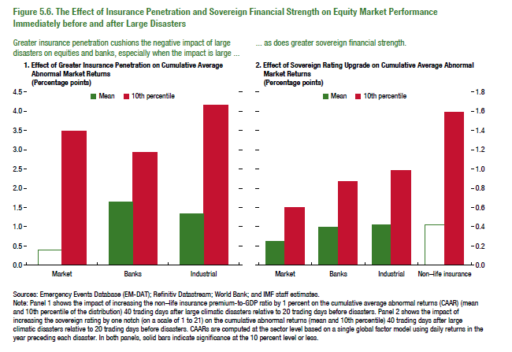
Figure 5.6. The Effect of Insurance Penetration and Sovereign Financial Strength on Equity Market Performance Immediately before and after Large Disasters

1. Effect of Greater Insurance Penetration on Cumulative Average Abnormal Market Returns
(Percentage points)
 | Mean | 10th percentile
Market | 0.41 | 3.49
Banks | 1.65 | 2.94
Industrial | 1.34 | 4.16

2. Effect of Sovereign Rating Upgrade on Cumulative Average Abnormal Market Returns
(Percentage points)
 | Mean | 10th percentile
Market | 0.25 | 0.60
Banks | 0.39 | 0.87
Industrial | 0.42 | 0.98
Non-life insurance | 0.42 | 1.59

Figure 5.7.
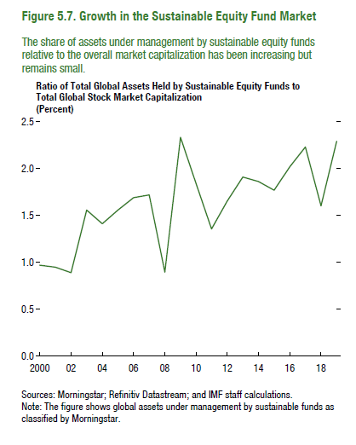
Figure 5.7. Growth in the Sustainable Equity Fund Market

Ratio of Total Global Assets Held by Sustainable Equity Funds to Total Global Stock Market Capitalization
(Percent)

2000 | 0.97
2001 | 0.95
2002 | 0.89
2003 | 1.56
2004 | 1.41
2005 | 1.56
2006 | 1.69
2007 | 1.72
2008 | 0.89
2009 | 2.33
2010 | 1.84
2011 | 1.36
2012 | 1.65
2013 | 1.91
2014 | 1.86
2015 | 1.77
2016 | 2.02
2017 | 2.23
2018 | 1.60
2019 | 2.29

Figure 5.8.
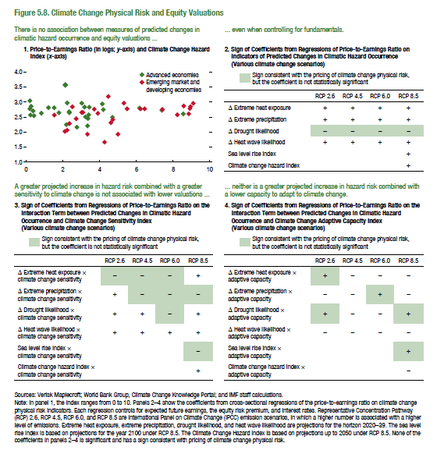
Figure 5.8. Climate Change Physical Risk and Equity Valuations

1. Price-to-Earnings Ratio (in logs; y-axis) and Climate Change Hazard Index (x-axis)

ISO code | log(P/E ratio) | Classification
AUS | 2.82 | AE
AUT | 2.24 | AE
BEL | 2.86 | AE
CAN | 2.74 | AE
CHE | 2.97 | AE
CZE | 2.64 | AE
DEU | 2.63 | AE
DNK | 3.04 | AE
ESP | 2.51 | AE
EST | 2.54 | AE
FIN | 2.81 | AE
FRA | 2.68 | AE
GBR | 2.56 | AE
GRC | 2.80 | AE
HKG | 2.83 | AE
IRL | 2.77 | AE
ISR | 2.45 | AE
ITA | 2.49 | AE
JPN | 2.57 | AE
KOR | 2.20 | AE
NLD | 2.70 | AE
NOR | 2.64 | AE
NZL | 3.57 | AE
PRT | 2.96 | AE
SGP | 2.61 | AE
SVN | 2.16 | AE
SWE | 2.81 | AE
TWN | 2.72 | AE
USA | 2.94 | AE
ARE | 2.41 | EM
ARG | 2.02 | EM
BRA | 2.75 | EM
CHL | 2.76 | EM
CHN | 2.65 | EM
COL | 2.60 | EM
EGY | 2.44 | EM
HRV | 2.65 | EM
HUN | 2.28 | EM
IDN | 2.84 | EM
IND | 3.18 | EM
JOR | 1.92 | EM
LKA | 2.57 | EM
MAR | 2.96 | EM
MEX | 2.77 | EM
MYS | 2.78 | EM
PAK | 2.31 | EM
PER | 2.87 | EM
PHL | 2.96 | EM
POL | 2.56 | EM
QAT | 2.62 | EM
ROU | 2.06 | EM
RUS | 1.66 | EM
SAU | 2.78 | EM
THA | 2.77 | EM
TUR | 1.93 | EM
ZAF | 2.84 | EM

Note: The Climate Change Hazard Index data is not displayed due to copyright agreement.

Figure 5.9
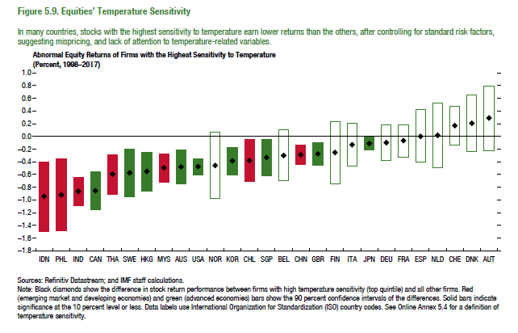
Figure 1.8. Selected Advanced Economies: Current Deleveraging Episodes (Weighted average)
3. Public Debt
(Percent of GDP)
1. Private Debt
(Percent of GDP)
Sources: Bank for International Settlements; IMF, World Economic Outlook; and IMF staff estimates.
Figure 5.9. Equities’ Temperature Sensitivity

Abnormal Equity Returns of Firms with the Highest Sensitivity to Temperature
(Percent, 1998–2017)
 | Difference | Higher | Effective
IDN | -0.95 | -0.40 | -1.09
PHL | -0.92 | -0.35 | -1.13
IND | -0.87 | -0.64 | -0.45
CAN | -0.86 | -0.55 | -0.61
THA | -0.60 | -0.28 | -0.63
SWE | -0.58 | -0.20 | -0.75
HKG | -0.56 | -0.25 | -0.62
MYS | -0.50 | -0.27 | -0.45
AUS | -0.48 | -0.21 | -0.54
USA | -0.47 | -0.35 | -0.25
NOR | -0.46 | 0.07 | -0.98
KOR | -0.39 | -0.17 | -0.43
CHL | -0.38 | -0.05 | -0.66
SGP | -0.33 | -0.05 | -0.57
BEL | -0.30 | 0.10 | -0.70
CHN | -0.29 | -0.14 | -0.30
GBR | -0.27 | -0.09 | -0.36
FIN | -0.26 | 0.23 | -0.74
ITA | -0.13 | 0.21 | -0.47
JPN | -0.11 | -0.01 | -0.19
DEU | -0.10 | 0.18 | -0.38
FRA | -0.07 | 0.18 | -0.33
ESP | 0.00 | 0.42 | -0.41
NLD | 0.02 | 0.52 | -0.49
CHE | 0.17 | 0.47 | -0.14
DNK | 0.21 | 0.65 | -0.24
AUT | 0.28 | 0.79 | -0.22

